Sheet1
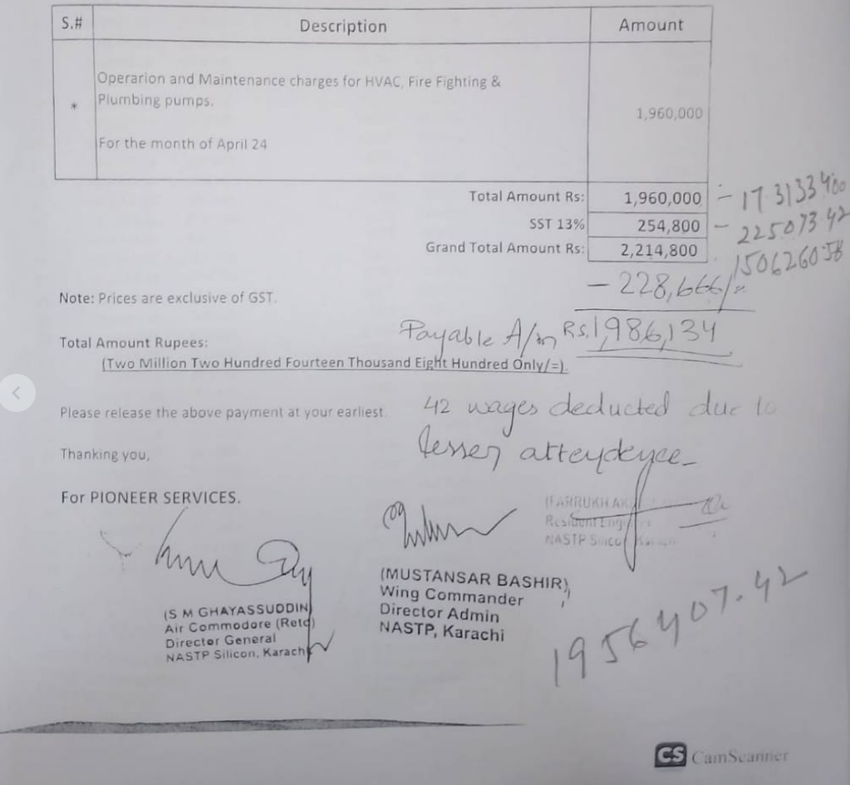
PIONEER SERVICES

M/S GWALPHA TECH (PRIVATE) LIMITED
NASTP Alpha HQs, Alpha Techno Square, Airport Road, Chaklala, Rawalpindi |  | Date | 02 June 2024
 |  | Invoice # | 014
 |  | NTN # | 4312149-7
NTN # 9139105

Air Cdre S. M. Ghayassuddin
BILL

Operation and Maintenance charges for HVAC, Fire Fighting & Plumbing pumps at NASTP

S.# | Description |  | Amount
* | Operarion and Maintenance charges for HVAC, Fire Fighting & Plumbing pumps. For the month of April 24 |  | 1,731,334
Total Amount Rs: |  |  | 1,731,334 |  | Oct-23 | 1,960,000 | 5 lac will always deducted in every monthly bill in acc of MSE acc as BH recommended.
SST 13% |  |  | 225,073
Grand Total Amount Rs: |  |  | 1,956,407
 |  |  |  |  | Less | 500,000
Note: Prices are exclusive of GST. |  |  |  |  |  | 1,460,000
 |  |  |  | 1,956,407
Total Amount Rupees: |  |  |  | 2,030,234 | Nov-23 | 1,960,000
 | (Two Million Two Hundred Fourteen Thousand Eight Hundred Only/=). |  |  | 3,986,641 | Less | 500,000
 |  |  |  | 458,640 |  | 1,460,000
Please release the above payment at your earliest. |  |  |  | 438,530.52

Thanking you, |  |  |  | 91,728.03 |  | 2,920,000 | actual received and given to BH

For PIONEER SERVICES. |  |  |  | 3,456,382.58

 |  |  | 80% | 366,912.10

